Sheet1
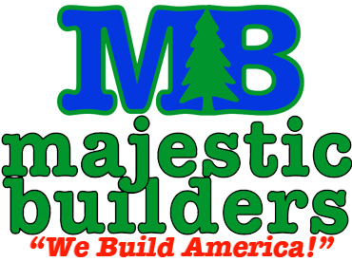
***Please submit an itemized invoice along with this pay request form***
 |  |  | Date: | 2018-04-11
 |  |  | Pay Request #
 |  |  | Project #
 |  |  | Project Name:
 |  |  | Project Address:

 |  |  | Company Name:
 |  |  | Company Address:

Payment Details:
 | Original Contract Amount:
 | Change Order #
 | Change Order #
 | Change Order #
 | Change Order #
 | Change Order #
 | Adjusted Contract Amount: |  |  |  | $0.00
Percentage of work completed to date: |  |  |  |  | $0.00
Less previous billing(s):
 |  | Amount due this billing: |  |  | $0.00
 |  | Less Retention (5%): |  |  | $0.00
 |  | Current net billing: |  |  | $0.00
Subcontractor/Supplier Certification: I certify the above is just and correct, and the amount claimed is legally due (per contract documents) after all credit and debit adjustments.
Signature:_____________________________________________ |  |  |  | Date: | ___________________
I certify that I have inspected the above work and, to the best of my knowledge, it is in accord with the contract requirements and estimated amounts are correct.
Superintendent/Project Mgr Signature: |  |  | _____________________________________________________
Date: |  |  | _____________________________________________________

● | We turn in our pay requests between the 20th and 25th of each month, so we must receive a bill from you by the 15th of the month in order to be sure it gets processed.
● | Joint Checks will be issued to each of your sub-tier subcontractors and suppliers who has an outstanding balance.

***To expedite your payment, ALL ITEMS listed below must be submitted to Majestic Builders before ANY construction funds will be released.***
 | □ Work Order |  | □ Insurance Certificates |  | □ O&M Manuals
 | □ Agreement |  | □ Sub/Supplier Affidavit |  | □ Warranties
 | □ Utah Business License |  | □ Submittals |  | □ Lien Release(s)

